Charts1
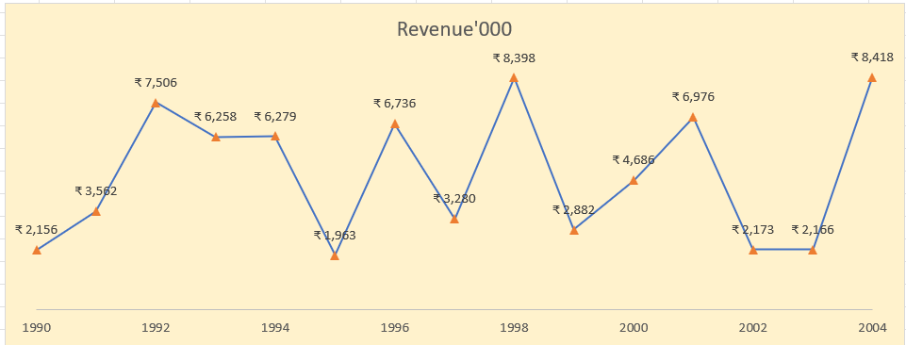
Create Line Chart with Proper formatting
Should be formatted as shown in picture

Date | Revenue'000 | Row Labels | Sum of Revenue'000
1990 | ₹ 2,156 | 1990 | 2156
1991 | ₹ 3,562 | 1991 | 3562
1992 | ₹ 7,506 | 1992 | 7506
1993 | ₹ 6,258 | 1993 | 6258
1994 | ₹ 6,279 | 1994 | 6279
1995 | ₹ 1,963 | 1995 | 1963
1996 | ₹ 6,736 | 1996 | 6736
Revenue'000
1997 | ₹ 3,280 | 1997 | 3280
1998 | ₹ 8,398 | 1998 | 8398
1999 | ₹ 2,882 | 1999 | 2882
2000 | ₹ 4,686 | 2000 | 4686
2001 | ₹ 6,976 | 2001 | 6976
2002 | ₹ 2,173 | 2002 | 2173
2003 | ₹ 2,166 | 2003 | 2166
2004 | ₹ 8,418 | 2004 | 8418
 |  | Grand Total | 73439

Charts2
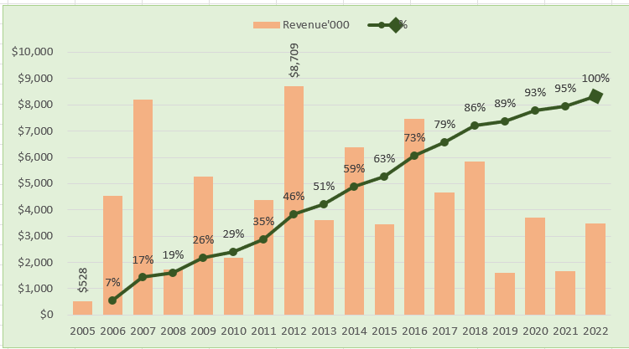
Create Combo Chart with Proper formatting
Should be formatted as shown in picture

 | Sum of Revenue'000 | Sum of %
2005 | 528
2006 | 4550 | 0.065615712624
2007 | 8189 | 0.17143041737
2008 | 1730 | 0.19378472671
2009 | 5262 | 0.26177800749
2010 | 2172 | 0.28984364905
2011 | 4384 | 0.34649179481
2012 | 8709 | 0.45902571392
2013 | 3618 | 0.50577594004
2014 | 6372 | 0.58811215919
2015 | 3456 | 0.63276909161
2016 | 7478 | 0.72939656286
2017 | 4649 | 0.78946892363
2018 | 5831 | 0.86481457553
2019 | 1599 | 0.88547615971
2020 | 3695 | 0.93322134643
2021 | 1678 | 0.95490373433
2022 | 3490 | 1
Date | Revenue'000 | Running Total | % | Row Labels | Sum of Revenue'000 | Sum of %
2005 | $528 |  |  | 2005 | 528
2006 | $4,550 | 5,078.00 | 7% | 2006 | 4550 | 7%
2007 | $8,189 | 13,267.00 | 17% | 2007 | 8189 | 17%
2008 | $1,730 | 14,997.00 | 19% | 2008 | 1730 | 19%
2009 | $5,262 | 20,259.00 | 26% | 2009 | 5262 | 26%
2010 | $2,172 | 22,431.00 | 29% | 2010 | 2172 | 29%
2011 | $4,384 | 26,815.00 | 35% | 2011 | 4384 | 35%
2012 | $8,709 | 35,524.00 | 46% | 2012 | 8709 | 46%
2013 | $3,618 | 39,142.00 | 51% | 2013 | 3618 | 51%
2014 | $6,372 | 45,514.00 | 59% | 2014 | 6372 | 59%
2015 | $3,456 | 48,970.00 | 63% | 2015 | 3456 | 63%
2016 | $7,478 | 56,448.00 | 73% | 2016 | 7478 | 73%
2017 | $4,649 | 61,097.00 | 79% | 2017 | 4649 | 79%
2018 | $5,831 | 66,928.00 | 86% | 2018 | 5831 | 86%
2019 | $1,599 | 68,527.00 | 89% | 2019 | 1599 | 89%
2020 | $3,695 | 72,222.00 | 93% | 2020 | 3695 | 93%
2021 | $1,678 | 73,900.00 | 95% | 2021 | 1678 | 95%
2022 | $3,490 | 77,390.00 | 100% | 2022 | 3490 | 100%
 |  |  |  | Grand Total | 77390 | 9.6719085153
Total | $77,390

Charts3
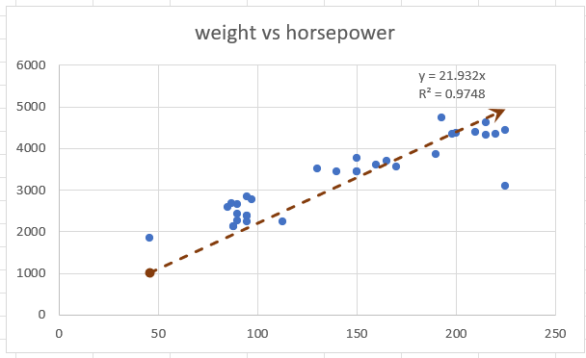
 | Create Scatter Chart with Proper formatting
 | Should be formatted as shown in picture
 | X | Y
 | horsepower | weight | (X-XBAR) | (Y-YBAR)
 | 130 | 3504 | -12.5 | 240.46875
 | 165 | 3693 | 22.5 | 429.46875
 | 150 | 3436 | 7.5 | 172.46875
 | 150 | 3433 | 7.5 | 169.46875
 | 140 | 3449 | -2.5 | 185.46875
 | 198 | 4341 | 55.5 | 1077.46875
 | 220 | 4354 | 77.5 | 1090.46875
 | 215 | 4312 | 72.5 | 1048.46875
 | 225 | 4425 | 82.5 | 1161.46875
 | 190 | 3850 | 47.5 | 586.46875
 | 170 | 3563 | 27.5 | 299.46875
 | 160 | 3609 | 17.5 | 345.46875
 | 150 | 3761 | 7.5 | 497.46875
 | 225 | 3086 | 82.5 | -177.53125
weight vs horsepower
 | 95 | 2372 | -47.5 | -891.53125
 | 95 | 2833 | -47.5 | -430.53125
 | 97 | 2774 | -45.5 | -489.53125
 | 85 | 2587 | -57.5 | -676.53125
 | 88 | 2130 | -54.5 | -1133.53125
 | 46 | 1835 | -96.5 | -1428.53125
 | 87 | 2672 | -55.5 | -591.53125
 | 90 | 2430 | -52.5 | -833.53125
 | 95 | 2375 | -47.5 | -888.53125
 | 113 | 2234 | -29.5 | -1029.53125
 | 90 | 2648 | -52.5 | -615.53125
 | 215 | 4615 | 72.5 | 1351.46875
 | 200 | 4376 | 57.5 | 1112.46875
 | 210 | 4382 | 67.5 | 1118.46875
 | 193 | 4732 | 50.5 | 1468.46875
 | 88 | 2130 | -54.5 | -1133.53125
 | 90 | 2264 | -52.5 | -999.53125
 | 95 | 2228 | -47.5 | -1035.53125

x-bar | 142.5 |  | =AVERAGE(C6:C37)

y-bar | 3263.53125 |  | =AVERAGE(D6:D37)

